Dashboard
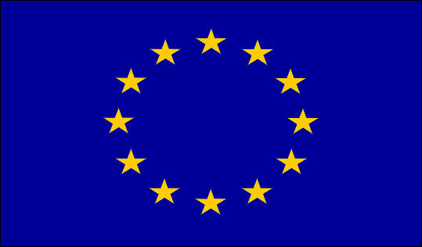
Euro Mart Stores Purchase Data

 | Total
Accessories | 368
Appliances | 235
Art | 1152
Binders | 1059
Bookcases | 391
Chairs | 383
Copiers | 367
Envelopes | 346
Fasteners | 350
Furnishings | 389
Labels | 372
Machines | 335
Paper | 374
Phones | 453
Storage | 1051
Supplies | 347
Tables | 75
Sub-Category
 | Total
Qtr1 | 230
Qtr2 | 358
Qtr3 | 425
Qtr4 | 449
Qtr1 | 318
Qtr2 | 388
Qtr3 | 615
Qtr4 | 550
Qtr1 | 377
Qtr2 | 489
Qtr3 | 690
Qtr4 | 545
Qtr1 | 445
Qtr2 | 544
Qtr3 | 829
Qtr4 | 795

 | Total
Consumer | 4174
Corporate | 2514
Home Office | 1359
Sement
 | Total
Economy | 4862
Economy Plus | 1590
Immediate | 426
Priority | 1169
Ship Mode
 | Total
Furniture | 1238
Office Supplies | 5286
Technology | 1523
Category

